Plotly
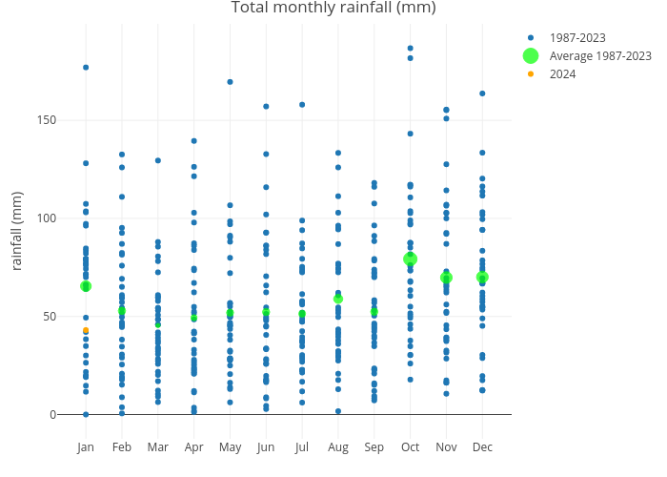
https://plotly.com/~Silwood_Park/37/

